Blad1
Total head loss

Constantes: |  |  |  | Gesloten circuit waarbij olie wordt rondegepompt
Length plate | 2335 | mm
Lengte pipe | 3000 | mm |  | Flow pomp | 20 | Liter / min
Total length | 5335 | mm |  | Olie densiteit | 1.05 | g/cm3
Total length [meters] | 5.335 | m |  | Olie viscositeit | 50 | mm2/s

Diameter | 13.328 | mm
Diameter [meters] | 0.013328 | m
Radius | 6.664 | mm
Area | 139.51466143 | mm2 | Oppervlakte U doorgang uitgerekend en gelijk gesteld aan een oppervlakte van een cirkel

Bend 90 degrees | 2
Bend 180 degrees | 8

K-factor 90 degrees bend | 0.3
K-factor 180 degrees bend | 0.2

Re | 2300 | Buis |  |  |  |  | n | 0.05 | Pa*s
f = Darcy Wesbach friction factor | 0.027826086957
V = flow felocity | 4.2 | m/s
g | 9.81 | m/s2

Total head loss with D constant | 11.992294517 |  |  |  |  |  | Total pressure drop | 201824.42725
Total head loss in Bar | 1.1757245544 |  |  |  |  |  | total head loss in Bar | 2.0182442725

https://www.nuclear-power.net/nuclear-engineering/fluid-dynamics/bernoullis-equation-bernoullis-principle/head-loss/
https://www.quora.com/What-affects-the-pressure-on-a-high-pressure-steam-line-if-the-number-of-bends-increases-in-piping
https://www.google.com/search?q=bend+pressure+drop&tbm=isch&ved=2ahUKEwidxsPgrcHwAhW78LsIHdDbBnMQ2-cCegQIABAA&oq=bend+pressure+drop&gs_lcp=CgNpbWcQAzoECCMQJzoECAAQQzoICAAQsQMQgwE6AggAOgUIABCxAzoHCAAQsQMQQzoECAAQEzoICAAQBRAeEBM6CAgAEAgQHhATOgYIABAFEB5QlRRYlyJg9yVoAHAAeACAAVmIAe4HkgECMTiYAQCgAQGqAQtnd3Mtd2l6LWltZ8ABAQ&sclient=img&ei=_VOaYN3TBrvh7_UP0LebmAc&bih=1120&biw=1920#imgrc=c7XomY7pZUVxgM
https://nl.wikipedia.org/wiki/Wet_van_Hagen-Poiseuille#:~:text=De%20wet%20van%20Hagen%2DPoiseuille%20geldt%20voor%20laminaire%20stroming%20van | %2C%20drukverschil%2C%20viscositeit%20en%20diameter.
https://nl.linkfang.org/wiki/Fanning_vergelijking

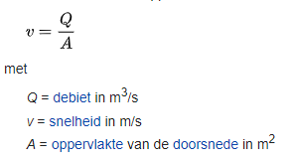
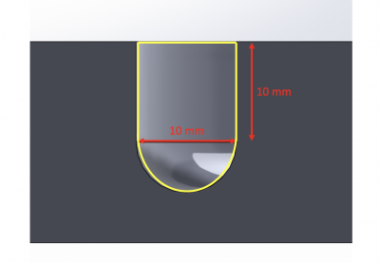
(1) stroomsnelheid

v=Q/A | 3.3332021055 | m/s |  |  |  |  |  |  | Area green | 0.0001
Q | 0.0003333333 | m3/s |  |  |  |  |  |  | Area blue | 3.926990817E-09
Area | 0.00010000392699 | m2

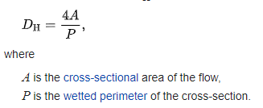
(2) Hydraulische diameter

Dh = 4A/P | 0.25465790895

(3) Reynolds getal

u = v = snelheid | 3.3332021055
Dh | 0.25465790895
v = kinematic viscosity | 0.00005 |  |  |  |  |  |  | https://www.engineeringtoolbox.com/reynolds-number-d_237.html

Reynoldsgetal | 16976.525565 | Turbulent flow

